Step iv
 | Step iv - Scenario groups formed based on similarity of scenarios
 | Scenario Group # | Scenarios Group | Scenario Name | Identifier | Remarks | Example Ilustrations
1 | G1 | Turning Scenarios | Maneuvering a bend | C1,1 | This group includes the situations where the ego vehicle turns, such as turning left or right
2 |  |  | Turning left | C1,2
3 |  |  | Turning right | C1,3
 | G2 | Lane change
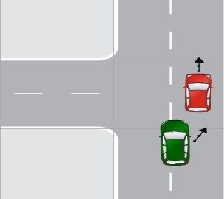
4 | G3 | Following Lead Vehicle | Lead vehicle braking | C1,8 | This group includes the situations where the ego vehicle is driving behind another vehicle referred to as the "lead vehicle." In such scenarios, the risk of a rear-end collision exists, where the ego vehicle collides with the lead vehicle from behind.
5 |  |  | Ego vehicle approaching slower lead vehicle | C1,13
6 |  |  | Ego vehicle approaching stopped lead vehicle | C1,14
7 |  |  | Turning lead vehicle | C1,65
8 |  |  | Tailgate | C2,88
9 |  |  | Distracted, Rear | C2,89
10 |  |  | Stutter Stop | C2,93
 | G4 | Traffic Signal Scenarios
11 | G5 | Crossing Path | Oncoming vehicle turns right at signalized junction | C1,27 | This group includes the situations where the paths of two or more vehicles intersect or cross each other at an intersection or junction. In this scenario, the ego vehicle must navigate the intersection while avoiding collisions with other vehicles. | 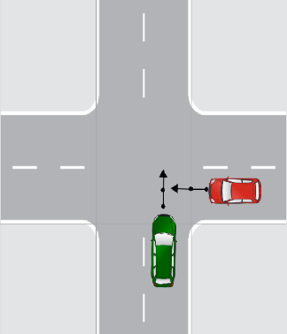
12 |  |  | Ego vehicle turns right with oncoming vehicle at signalized junction | C1,28
13 |  |  | Sirens | C2,82
14 |  |  | Left Turn Clip | C2,83
15 |  |  | Wrong Driveway | C2,84
16 |  |  | Wave to Go | C2,85
17 |  |  | Turn into Passer | C2,86
18 |  |  | Run Red Into Left Turner | C2,107
19 |  |  | Misjudgment, Left Turn | C2,108
20 |  |  | Passing Clip | C2,97
21 | G6 | Animal Interaction | Animal on the road | C1,38 | This group includes the situation where an ego vehicle encounters animals, such as stray animals, wildlife, or domestic pets, while driving on the road.
22 | G7 | Pedestrian Interaction | Jaywalking | C1,39 | This group includes the situation where an ego vehicle encounters pedestrians while driving.
23 |  |  | Pedestrian crossing at zebra crossing | C1,40
24 |  |  | Zebra crossing | C1,41
25 |  |  | Pedestrian stationary at road side | C1,42
26 |  |  | Pedestrian walking along the road | C1,43
27 |  |  | Pedestrian running a red light | C1,44
28 |  |  | Pedestrian crossing from behind an obstruction | C1,45
29 |  |  | Pedestrian at left turn at signalized junction | C1,47
30 |  |  | Pedestrian in same direction obstructed at ego left turn | C1,48
31 |  |  | Pedestrian at right turn at signalized junction | C1,50
32 |  |  | Struck Human | C2,68
33 | G8 | Cyclist Interaction | Cyclist crossing from left side at signalized junction | C1,53 | This group includes the situation where an ego vehicle encounters a cyclist or any other two-wheeler vehicle while driving. | 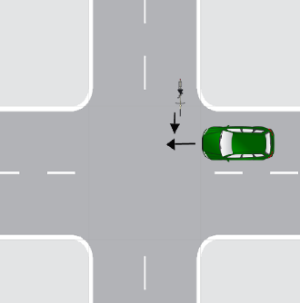
34 |  |  | Cyclist crossing from right side at signalized junction | C1,54
35 |  |  | Ego vehicle approaching cyclist riding in same direction | C1,55
36 |  |  | Ego vehicle driving alongside a cyclist | C1,56
37 |  |  | Cyclist and ego vehicle driving in opposite direction | C1,57
38 |  |  | Cyclist at left turn at signalized junction | C1,59
39 |  |  | Cyclist driving in same direction obstructed at ego left turn | C1,60
40 |  |  | Cyclist at left turn at signalized junction | C1,62
41 |  |  | Cyclist turning left and ends up in lane of ego vehicle | C1,66
42 |  |  | Cyclist turning right and ends up in lane of ego vehicle | C1,67
 | G9 | Parking
 | G10 | Reversing
43 | G11 | Opposite Direction | Oncoming vehicle | C1,20 | This group includes the situation where an ego vehicle traveling in the opposite direction to other vehicles on the road | 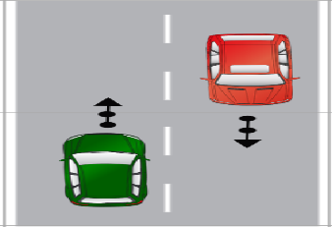
44 |  |  | Oncoming vehicle swerving into ego vehicle’s lane | C1,22
45 | G12 | Control Loss | Maintenance | C2,95 | This group includes the situation where the ego vehicle loses control due to slip- pery or poor road conditions or brake failure caused by infrastructure-related issues. | 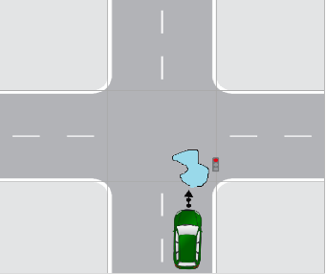
46 | G13 | Visibility | View Obstruction | C2,80 | This group includes the situation where road visibility is unclear due to weather conditions, fog, obstructions, hurdles, or construction activities. | ___
47 |  |  | Visibility, Rear | c2,99
48 | G14 | Human fault | Aggressive, Departure | C2,71 | This group includes the situation where unsafe conditions are caused primarily due to human errors, mistakes, or negligent behaviors. e.g., aggressive driving or distracted driving, etc. | __
49 |  |  | Inattentive, Ran Stop. | C2,79
50 |  |  | Looked but Didn’t See | C2,81
51 |  |  | Pedal Miss | C2,91
52 |  |  | Aggressive, Rear | C2,94
53 | G15 | Miscellaneous | Avoidance, Departure | C2,74
54 |  |  | Miscellaneous | C2,110 | This group includes scenarios that do not belong to a specific predefined category or lack adequate information about the ego vehicle's or target object's critical actions.
55 |  |  | New | C2,111

